Nifty40 + Debt60 Portfolio
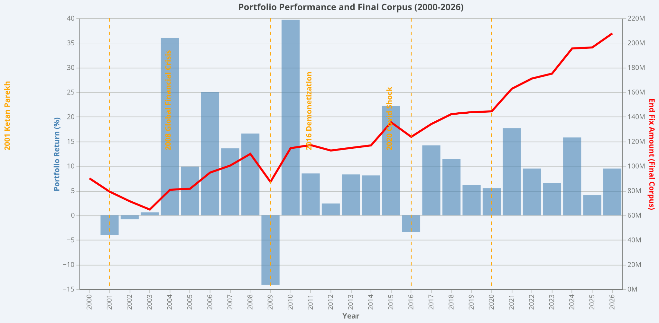
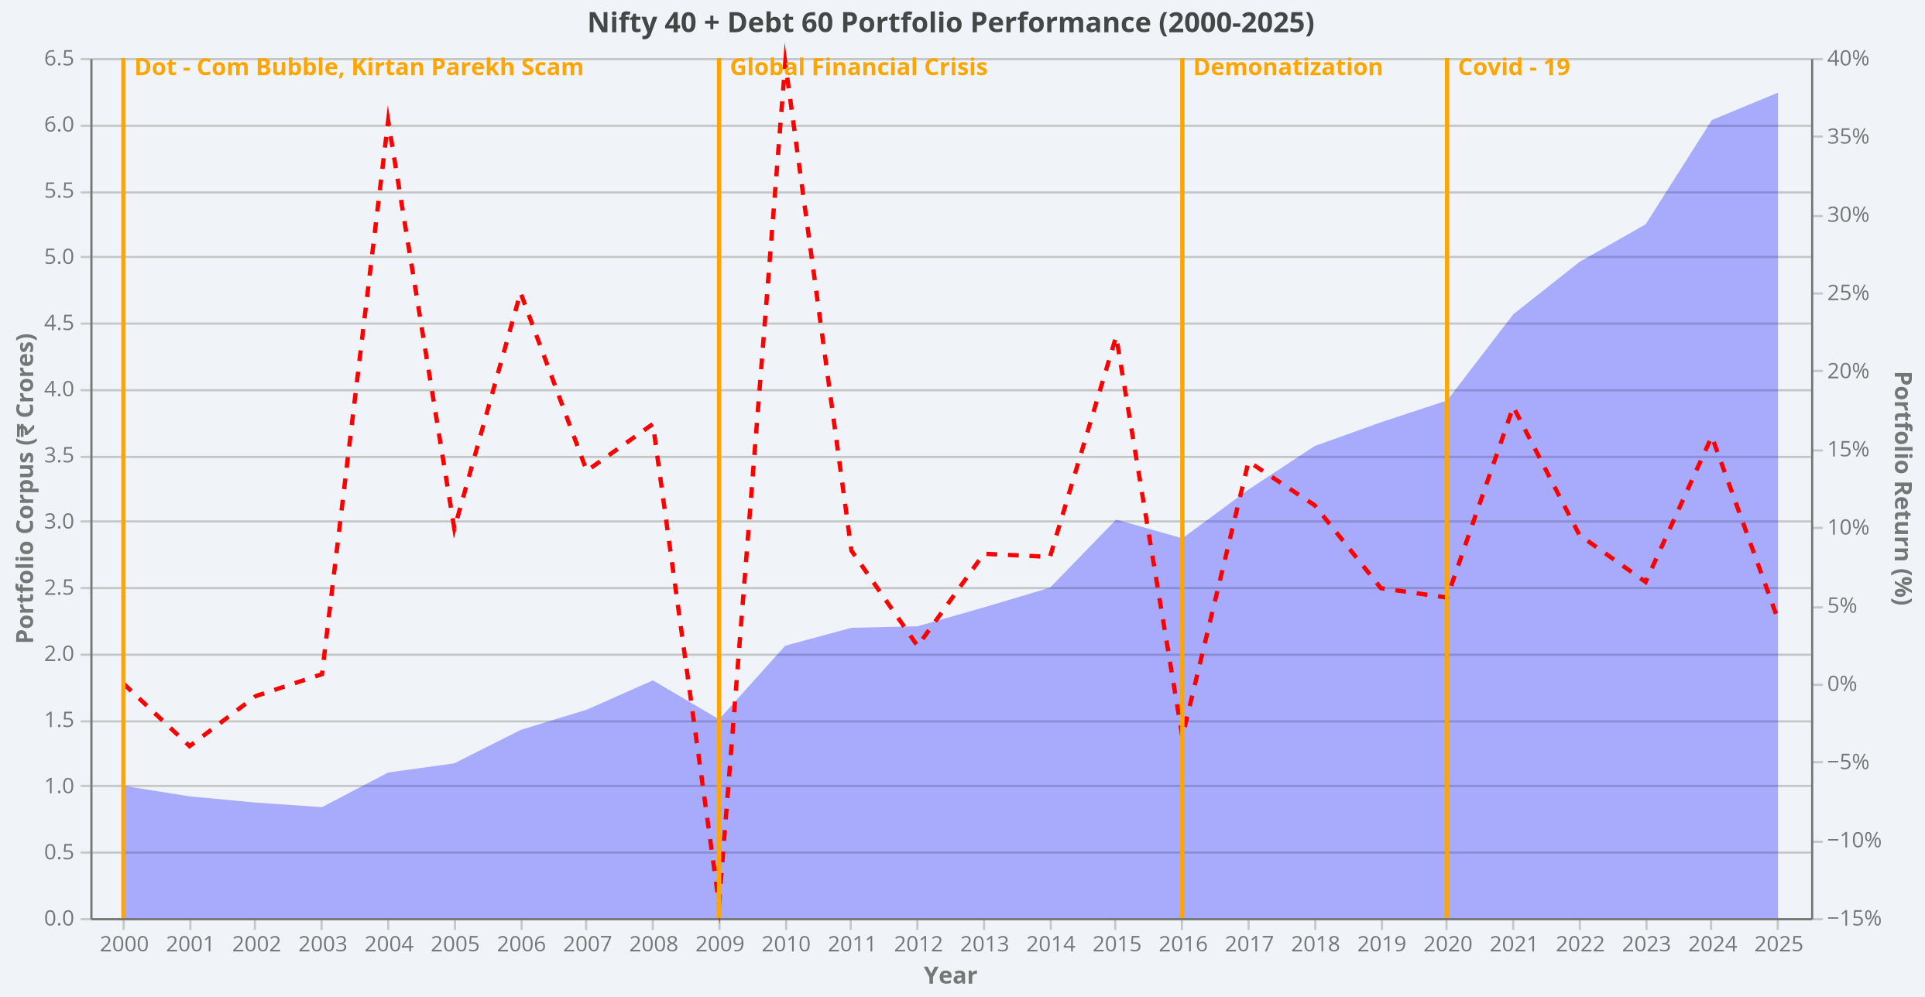
NIFTY 50 TRI (40%) + DEBT (60%) - SWP TEST (2000-2026)
Go to "File" > Make a copy

INPUTS |  |  |  | RESULTS
Investment (₹) | 10000000 |  |  | Total WD Fixed | 10400000
Withdrawal Rate | 4.0% |  |  | Total WD Escalation | 23662553
Inflation | 6.0% |  |  | Corpus End Fixed | 67892709
Equity % | 40.0% |  |  | Corpus End Esc | 38878130
Debt % | 60.0% |  |  | Tax Paid Fixed | 589098
Debt Return | 7.0% |  |  | In-Hand Fixed Total | 9810902
Expense Ratio (Index) | 0.5%
LTCG Tax Rate | 12.5%
Debt Tax Rate (Slab) | 30.0%
LTCG Exemption/Yr | 125000

Yr | Year | Nifty TRI | Nifty Ret | Debt Ret | Port Ret | Start Fix | WD Fix | Ret Fix | End Fix | Start Esc | WD Esc | Ret Esc | End Esc | Gain Fix | Tax Fix | InHand Fix | Annotation
0 | 2000 | 1,817 | — | — | — | 10000000 | 0 | 0 | 10000000 | 10000000 | 0 | 0 | 10000000 | 0 | 0 | 0 | Dot - Com Bubble, Kirtan Parekh Scam
1 | 2001 | 1,455 | -20.4% | 7.0% | -4.0% | 10000000 | 400000 | -395,852 | 9204148 | 10000000 | 400000 | -395,852 | 9204148 | 72,000 | 21,600 | 378400
2 | 2002 | 1,282 | -12.4% | 7.0% | -0.8% | 9204148 | 400000 | -71,292 | 8732856 | 9204148 | 424000 | -71,292 | 8708856 | 72,000 | 21,600 | 378400
3 | 2003 | 1,174 | -8.9% | 7.0% | 0.6% | 8732856 | 400000 | 55,044 | 8387900 | 8708856 | 449440 | 54,893 | 8314309 | 72,000 | 21,600 | 378400
4 | 2004 | 2,112 | 79.5% | 7.0% | 36.0% | 8387900 | 400000 | 3018152 | 11006052 | 8314309 | 476406 | 2991672 | 10829574 | 94,366 | 21,600 | 378400
5 | 2005 | 2,426 | 14.4% | 7.0% | 9.9% | 11006052 | 400000 | 1094481 | 11700533 | 10829574 | 504991 | 1076932 | 11401515 | 112173 | 21,600 | 378400
6 | 2006 | 3,697 | 51.9% | 7.0% | 25.0% | 11700533 | 400000 | 2919481 | 14220014 | 11401515 | 535290 | 2844871 | 13711096 | 153363 | 21,600 | 378400
7 | 2007 | 4,584 | 23.5% | 7.0% | 13.6% | 14220014 | 400000 | 1934010 | 15754024 | 13711096 | 567408 | 1864794 | 15008482 | 168584 | 21,600 | 378400
8 | 2008 | 6,028 | 31.0% | 7.0% | 16.6% | 15754024 | 400000 | 2614815 | 17968838 | 15008482 | 601452 | 2491072 | 16898102 | 183773 | 21,600 | 378400
9 | 2009 | 3,294 | -45.9% | 7.0% | -14.1% | 17968838 | 400000 | -2,541,333 | 15027505 | 16898102 | 637539 | -2,389,899 | 13870663 | 143740 | 21,600 | 378400 | Global Financial Crisis
10 | 2010 | 6,232 | 88.7% | 7.0% | 39.7% | 15027505 | 400000 | 5963366 | 20590871 | 13870663 | 675792 | 5504296 | 18699168 | 185353 | 21,600 | 378400
11 | 2011 | 6,933 | 10.8% | 7.0% | 8.5% | 20590871 | 400000 | 1750822 | 21941693 | 18699168 | 716339 | 1589972 | 19572801 | 190073 | 21,600 | 378400
12 | 2012 | 6,647 | -4.6% | 7.0% | 2.4% | 21941693 | 400000 | 515673 | 22057365 | 19572801 | 759319 | 459999 | 19273481 | 188269 | 21,600 | 378400
13 | 2013 | 7,359 | 10.2% | 7.0% | 8.3% | 22057365 | 400000 | 1826060 | 23483426 | 19273481 | 804879 | 1595591 | 20064193 | 192495 | 21,600 | 378400
14 | 2014 | 8,106 | 9.7% | 7.0% | 8.1% | 23483426 | 400000 | 1893173 | 24976598 | 20064193 | 853171 | 1617523 | 20828545 | 196137 | 21,600 | 378400
15 | 2015 | 11,797 | 45.0% | 7.0% | 22.2% | 24976598 | 400000 | 5548370 | 30124969 | 20828545 | 904362 | 4626910 | 24551094 | 207358 | 22,895 | 377105
16 | 2016 | 9,618 | -19.0% | 7.0% | -3.4% | 30124969 | 400000 | -1,021,006 | 28703963 | 24551094 | 958623 | -832,094 | 22760376 | 201774 | 22,197 | 377803 | Demonatization
17 | 2017 | 12,080 | 25.1% | 7.0% | 14.2% | 28703963 | 400000 | 4087692 | 32391655 | 22760376 | 1016141 | 3241274 | 24985510 | 207935 | 22,967 | 377033
18 | 2018 | 14,312 | 18.0% | 7.0% | 11.4% | 32391655 | 400000 | 3689385 | 35681040 | 24985510 | 1077109 | 2845830 | 26754231 | 211688 | 23,436 | 376564
19 | 2019 | 15,078 | 4.9% | 7.0% | 6.1% | 35681040 | 400000 | 2191538 | 37472577 | 26754231 | 1141736 | 1643251 | 27255746 | 212720 | 23,565 | 376435
20 | 2020 | 15,632 | 3.2% | 7.0% | 5.5% | 37472577 | 400000 | 2049866 | 39122443 | 27255746 | 1210240 | 1490974 | 27536480 | 213404 | 23,650 | 376350 | Covid - 19
21 | 2021 | 20,975 | 33.7% | 7.0% | 17.7% | 39122443 | 400000 | 6913593 | 45636036 | 27536480 | 1282854 | 4866158 | 31119785 | 218141 | 24,243 | 375757
22 | 2022 | 23,883 | 13.4% | 7.0% | 9.5% | 45636036 | 400000 | 4355933 | 49591969 | 31119785 | 1359825 | 2970365 | 32730325 | 219828 | 24,454 | 375546
23 | 2023 | 25,398 | 5.8% | 7.0% | 6.5% | 49591969 | 400000 | 3242590 | 52434559 | 32730325 | 1441415 | 2140085 | 33428994 | 220554 | 24,544 | 375456
24 | 2024 | 32,884 | 29.0% | 7.0% | 15.8% | 52434559 | 400000 | 8279179 | 60313738 | 33428994 | 1527900 | 5278286 | 37179381 | 223160 | 24,870 | 375130
25 | 2025 | 32,965 | -0.3% | 7.0% | 4.1% | 60313738 | 400000 | 2471946 | 62385684 | 37179381 | 1619574 | 1523789 | 37083596 | 223182 | 24,873 | 375127
26 | 2026 | 37,472 | 13.2% | 7.0% | 9.5% | 62385684 | 400000 | 5907025 | 67892709 | 37083596 | 1716748 | 3511282 | 38878130 | 224242 | 25,005 | 374995

TOTALS |  |  |  |  |  |  | 10400000 |  |  |  | 23662553 |  |  |  | 589098 | 9810902

DISCLAIMER:
This is for EDUCATIONAL PURPOSES ONLY.
40% Nifty 50 TRI + 60% Debt at 7% return
Expense ratio deducted from returns (for example) & Tax uses current Budget 2024 LTCG rules.
Covers ALL major crashes: 2001 dot-com, 2008 Lehman, 2020 COVID, 2025 tariffs
Tax (used current tax structure): Equity LTCG 12.5% above ₹1.25L and not included the 4% 4% health and education cess+ Debt at slab rate (30% default)
Calculators are using yearly withdrawals for simplicity.

